Index
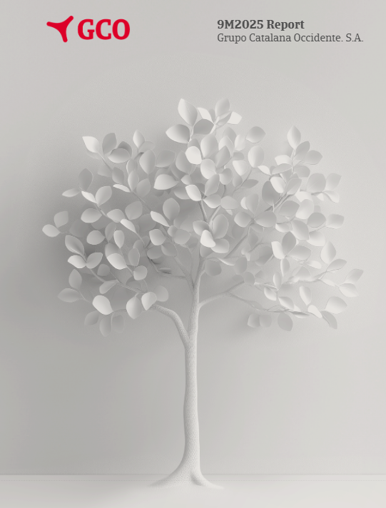
Index

Press Release
Key figures
Financial information
 | P&L
 | Result
 | Occident
 | Multirisk
 | Auto
 | Others
 | Life
 | Mémora
 | Atradius
 | TPE
 | Expenses
 | Financial result
 | Non-ordinary
 | Balance sheet
 | Investments

TPE
Index

 | (figures in million of euros)
 | Cumulative risk by country (TPE) | 2021 | 2022 | 2023 | 2024 | 9M 2025 | % Chg. 24-25 | % total
 | Spain and Portugal | 86,970 | 97,580 | 101,442 | 102,578 | 107,141 | 4.4% | 11.0%
 | Germany | 108,235 | 125,354 | 129,890 | 131,053 | 134,709 | 2.8% | 13.8%
 | Australia and Asia | 101,050 | 121,807 | 127,402 | 145,423 | 148,095 | 1.8% | 15.2%
 | Americas | 94,039 | 126,191 | 126,836 | 138,013 | 140,073 | 1.5% | 14.4%
 | Eastern Europe | 77,682 | 88,671 | 93,574 | 100,178 | 106,936 | 6.7% | 11.0%
 | UK | 56,511 | 66,053 | 70,907 | 76,377 | 77,157 | 1.0% | 7.9%
 | France | 50,601 | 58,808 | 60,226 | 61,179 | 64,101 | 4.8% | 6.6%
 | Italy | 50,352 | 62,161 | 62,570 | 65,030 | 67,622 | 4.0% | 6.9%
 | Nordic and Baltic countries | 35,311 | 40,912 | 41,773 | 44,502 | 45,933 | 3.2% | 4.7%
 | Netherlands | 33,204 | 39,063 | 41,116 | 42,016 | 42,349 | 0.8% | 4.3%
 | Belgium and Luxembourg | 19,155 | 21,816 | 22,631 | 24,214 | 24,940 | 3.0% | 2.6%
 | Rest of the world | 11,934 | 14,835 | 14,911 | 16,678 | 16,809 | 0.8% | 1.7%
 | Total | 725,043 | 863,252 | 893,277 | 947,241 | 975,866 | 3.0% | 100.0%

 | (figures in million of euros)
 | Cumulative risk by sector (TPE) | 2021 | 2022 | 2023 | 2024 | 9M 2025 | % Chg. 24-25 | % total
 | Electronics | 90,137 | 107,892 | 107,461 | 116,536 | 118,406 | 1.6% | 12.1%
 | Chemicals | 99,390 | 123,206 | 126,643 | 137,187 | 141,427 | 3.1% | 14.5%
 | Durable consumer goods | 81,697 | 91,125 | 91,213 | 97,346 | 101,264 | 4.0% | 10.4%
 | Metals | 78,757 | 94,888 | 99,523 | 100,927 | 98,458 | -2.4% | 10.1%
 | Food | 71,101 | 82,021 | 84,098 | 92,672 | 98,411 | 6.2% | 10.1%
 | Transport | 61,673 | 75,650 | 81,113 | 90,466 | 91,640 | 1.3% | 9.4%
 | Construction | 53,451 | 62,382 | 66,469 | 70,139 | 74,097 | 5.6% | 7.6%
 | Machinery | 46,328 | 55,280 | 57,551 | 59,388 | 59,621 | 0.4% | 6.1%
 | Agriculture | 34,441 | 39,751 | 43,483 | 36,771 | 43,065 | 17.1% | 4.4%
 | Construction materials | 34,801 | 41,563 | 41,276 | 44,295 | 44,835 | 1.2% | 4.6%
 | Services | 25,211 | 30,309 | 31,928 | 36,264 | 38,159 | 5.2% | 3.9%
 | Textiles | 16,987 | 19,997 | 21,054 | 22,433 | 22,975 | 2.4% | 2.4%
 | Paper | 15,572 | 19,227 | 19,674 | 19,038 | 18,978 | -0.3% | 1.9%
 | Finance | 15,497 | 19,961 | 21,791 | 23,778 | 24,530 | 3.2% | 2.5%
 | Total | 725,043 | 863,252 | 893,277 | 947,241 | 975,866 | 3.0% | 100.0%

+9,2%

